Sheet1
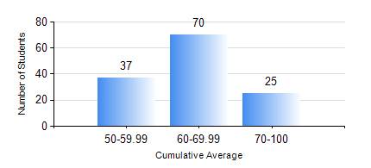
 |  |  | KWAME NKRUMAH UNIVERSITY OF SCIENCE AND TECHNOLOGY, KUMASI Department of Geomatic Engineering

 |  |  | BSC. GEOMATIC ENG.

 |  |  | COMPREHENSIVE RECORD OF EXAMINATION RESULTS

 |  |  | RESULTS OF YEAR 1 FIRST SEMESTER, 2018/2019 ACADEMIC YEAR

 | Sn | Course Code |  | Course Name | Credit Hours | Min. Mark | Max. Mark | Avg. Mark | Std. Dev. | No. Passed | No. Trailed | No. (Df) | No. (I) | No. (I*) | No. Tagged(I,I*,Df) | Total
 | 1. | ENGL 157 |  | COMMUNICATION SKILLS I | 2 | 47 | 72 | 61 | 4.78 | 132 | 0 | 0 | 0 | 0 | 0 | 132
 | 2. | GE 151 |  | CARTOGRAPHY I | 2 | 51 | 87 | 71 | 7.18 | 132 | 0 | 0 | 0 | 0 | 0 | 132
 | 3. | GE 161 |  | BASIC SURVEY PRINCIPLES I | 3 | 44 | 92 | 67 | 9.34 | 132 | 0 | 0 | 0 | 0 | 0 | 132
 | 4. | GE 171 |  | APPLIED OPTICS | 2 | 42 | 98 | 63 | 11.44 | 132 | 0 | 0 | 0 | 0 | 0 | 132
 | 5. | MATH 151 |  | ALGEBRA | 4 | 40 | 80 | 63 | 8.43 | 132 | 0 | 0 | 0 | 0 | 0 | 132
 | 6. | ME 159 |  | TECHNICAL DRAWING | 2 | 41 | 88 | 64 | 9.33 | 132 | 0 | 0 | 0 | 0 | 0 | 132
 | 7. | ME 161 |  | BASIC MECHANICS | 3 | 27 | 80 | 58 | 10.98 | 131 | 1 | 0 | 0 | 0 | 0 | 132

